basic
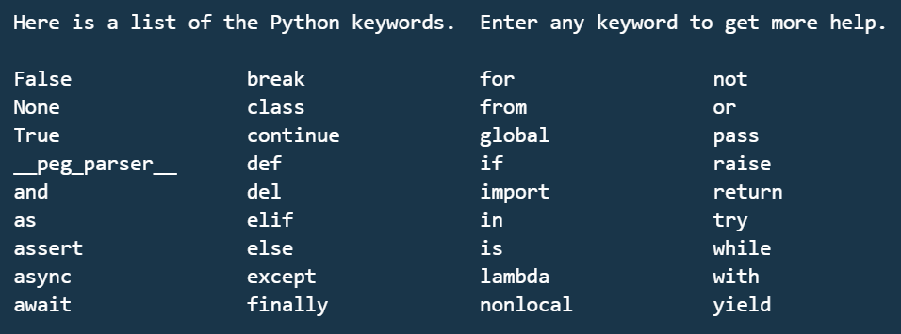
1 Basics of Python

1 | Variables
2 | keywords & identifiers
3 | literals
4 | operators | --> +,-,*,/,**,??,%
5 | Implicit conversion
6 | explicit conversion
7 | print | --> print(value, ..., sep=' ', end='\n', file=sys.stdout, flush=False)

strings
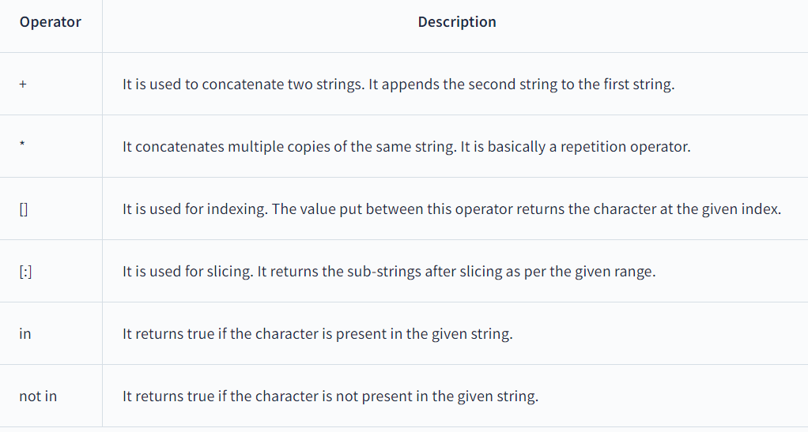
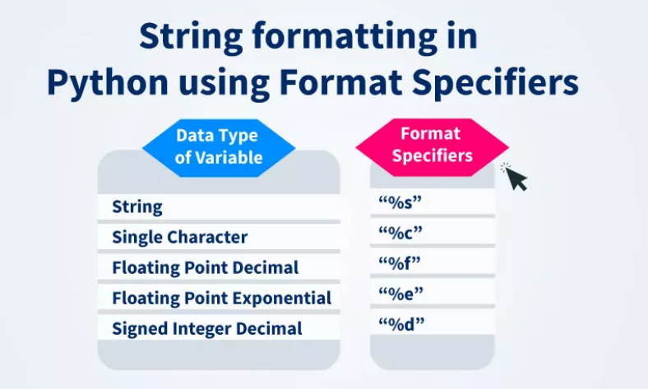
String
 | string concatenation | +
 | string multiply | *
 | string accessing | [0]
 | string indexing | [0:5]

capitalize() | Converts the first character to upper case
casefold() | Converts string into lower case
center() | Returns a centered string
count() | Returns the number of times a specified value occurs in a string
encode() | Returns an encoded version of the string
endswith() | Returns true if the string ends with the specified value
expandtabs() | Sets the tab size of the string |  | Directive | Meaning
find() | Searches the string for a specified value and returns the position of where it was found |  | %a | Locale's abbreviated weekday name
format() | Formats specified values in a string |  | %B | Locale's full month name.
format_map() | Formats specified values in a string |  | %c | Locale's appropriate date and time representation
index() | Searches the string for a specified value and returns the position of where it was found |  | %d | Day of the month as a decimal number [01,31].
isalnum() | Returns True if all characters in the string are alphanumeric |  | %H | Hour (24-hour clock) as a decimal number [00,23].
isalpha() | Returns True if all characters in the string are in the alphabet |  | %I | Hour (12-hour clock) as a decimal number [01,12].
isascii() | Returns True if all characters in the string are ascii characters |  | %m | Month as a decimal number [01,12].
isdecimal() | Returns True if all characters in the string are decimals |  | %M | Minute as a decimal number [00,59].
isdigit() | Returns True if all characters in the string are digits |  | %p | Locale's equivalent of either AM or PM.
isidentifier() | Returns True if the string is an identifier |  | %S | Second as a decimal number [00,61].
islower() | Returns True if all characters in the string are lower case |  | %U | Week number of the year (Sunday as the first day of the week) as a decimal number [00,53]. All days in a new year preceding the first Sunday are considered to be in week 0.
isnumeric() | Returns True if all characters in the string are numeric |  | %w | Weekday as a decimal number [0(Sunday),6].
isprintable() | Returns True if all characters in the string are printable |  | %W | Week number of the year (Monday as the first day of the week) as a decimal number [00,53]. All days in a new year preceding the first Monday are considered to be in week 0.
isspace() | Returns True if all characters in the string are whitespaces |  | %x | Locale's appropriate date representation.
istitle() | Returns True if the string follows the rules of a title |  | %X | Locale's appropriate time representation.
isupper() | Returns True if all characters in the string are upper case |  | %y | Year without century as a decimal number [00,99].
join() | Converts the elements of an iterable into a string |  | %Y | Year with century as a decimal number.
ljust() | Returns a left justified version of the string |  | %Z | Time zone name (no characters if no time zone exists).
lower() | Converts a string into lower case |  | %% | A literal "%" character
lstrip() | Returns a left trim version of the string |  |  |  | 50 | 461 | 50
maketrans() | Returns a translation table to be used in translations |  |  |  | 15 | 138.3
partition() | Returns a tuple where the string is parted into three parts
replace() | Returns a string where a specified value is replaced with a specified value
rfind() | Searches the string for a specified value and returns the last position of where it was found
rindex() | Searches the string for a specified value and returns the last position of where it was found
rjust() | Returns a right justified version of the string
rpartition() | Returns a tuple where the string is parted into three parts
rsplit() | Splits the string at the specified separator, and returns a list
rstrip() | Returns a right trim version of the string
split() | Splits the string at the specified separator, and returns a list
splitlines() | Splits the string at line breaks and returns a list
startswith() | Returns true if the string starts with the specified value
strip() | Returns a trimmed version of the string
swapcase() | Swaps cases, lower case becomes upper case and vice versa
title() | Converts the first character of each word to upper case
translate() | Returns a translated string
upper() | Converts a string into upper case
zfill() | Fills the string with a specified number of 0 values at the beginning

functions
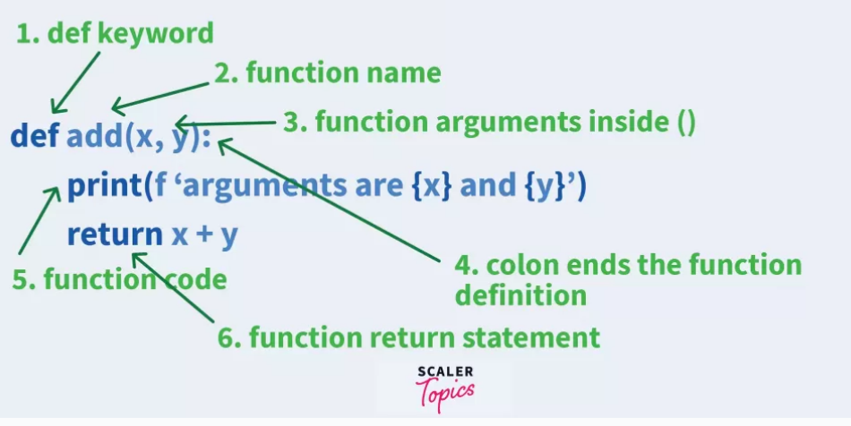
Functions

use of Lambda | square_ = lambda x : x**2

use of *args | def print_animals(*animals):
 | for animal in animals:
 | print(animal)
 | print_animals("Lion", "Elephant", "Wolf", "Gorilla")
 |  | Built inFunction | Description
unpack of *args | vals = ("Lion", "Elephant", "Wolf", "Gorilla") | abs() | Returns the absolute value of a number
 | def print_animals(*animals): | all() | Returns True if all items in an iterable object are true
 | for animal in animals: | any() | Returns True if any item in an iterable object is true
 | print(animal) | ascii() | Returns a readable version of an object. Replaces none-ascii characters with escape character
 | print_animals(*vals) | bin() | Returns the binary version of a number
 |  | bool() | Returns the boolean value of the specified object
 |  | bytearray() | Returns an array of bytes | 9 | 2n-1
use of **kwargs | def print_food(**foods): | bytes() | Returns a bytes object | 8 | 2(n-1)
 | for food in foods.items(): | callable() | Returns True if the specified object is callable, otherwise False | 17 | 4n-3
 | print(food) | chr() | Returns a character from the specified Unicode code.
 | print_food(Lion="Carnivore", Elephant="Herbivore", Gorilla="Omnivore") | classmethod() | Converts a method into a class method
 |  | compile() | Returns the specified source as an object, ready to be executed
 |  | complex() | Returns a complex number
use of Lambda | square_ = lambda x : x**2 | delattr() | Deletes the specified attribute (property or method) from the specified object
 | print(square_(2)) | dict() | Returns a dictionary (Array)
 |  | dir() | Returns a list of the specified object's properties and methods
use of filter | lst = [1,2,3,4,5,6,7] | divmod() | Returns the quotient and the remainder when argument1 is divided by argument2
 | even_no = filter(lambda x : x%2==0,lst)# even_no is a generator | enumerate() | Takes a collection (e.g. a tuple) and returns it as an enumerate object
 | print(list(even_no)) | eval() | Evaluates and executes an expression
 |  | exec() | Executes the specified code (or object)
use of map | lst = [1,2,3,4,5,6,7] | filter() | Use a filter function to exclude items in an iterable object
 | sq_no = map(lambda x : x**2,lst)# even_no is a generator | float() | Returns a floating point number
 | print(list(sq_no)) | format() | Formats a specified value
 |  | frozenset() | Returns a frozenset object
use of reduce | #importing reduce() function from functools module | getattr() | Returns the value of the specified attribute (property or method)
 | from functools import reduce | globals() | Returns the current global symbol table as a dictionary
 | # Given list of numbers | hasattr() | Returns True if the specified object has the specified attribute (property/method)
 | numbers = [ 1, 2, 3, 4, 5, 6] | hash() | Returns the hash value of a specified object
 | # One liner code to do the addition of all numbers using reduce() function | help() | Executes the built-in help system
 | sum = reduce((lambda x, y: x*y), numbers) | hex() | Converts a number into a hexadecimal value
 | # Result of addition | id() | Returns the id of an object
 | print(sum) #21 | input() | Allowing user input
 |  | int() | Returns an integer number
 |  | isinstance() | Returns True if a specified object is an instance of a specified object
 |  | issubclass() | Returns True if a specified class is a subclass of a specified object
 |  | iter() | Returns an iterator object
 |  | len() | Returns the length of an object
 |  | list() | Returns a list
 |  | locals() | Returns an updated dictionary of the current local symbol table
 |  | map() | Returns the specified iterator with the specified function applied to each item
 |  | max() | Returns the largest item in an iterable
 |  | memoryview() | Returns a memory view object
 |  | min() | Returns the smallest item in an iterable
 |  | next() | Returns the next item in an iterable
 |  | object() | Returns a new object
 |  | oct() | Converts a number into an octal
 |  | open() | Opens a file and returns a file object
 |  | ord() | Convert an integer representing the Unicode of the specified character
 |  | pow() | Returns the value of x to the power of y
 |  | print() | Prints to the standard output device
 |  | property() | Gets, sets, deletes a property
 |  | range() | Returns a sequence of numbers, starting from 0 and increments by 1 (by default)
 |  | repr() | Returns a readable version of an object
 |  | reversed() | Returns a reversed iterator
 |  | round() | Rounds a numbers
 |  | set() | Returns a new set object
 |  | setattr() | Sets an attribute (property/method) of an object
 |  | slice() | Returns a slice object
 |  | sorted() | Returns a sorted list
 |  | staticmethod() | Converts a method into a static method
 |  | str() | Returns a string object
 |  | sum() | Sums the items of an iterator
 |  | super() | Returns an object that represents the parent class
 |  | tuple() | Returns a tuple
 |  | type() | Returns the type of an object
 |  | vars() | Returns the __dict__ property of an object
 |  | zip() | Returns an iterator, from two or more iterators

exctn handling
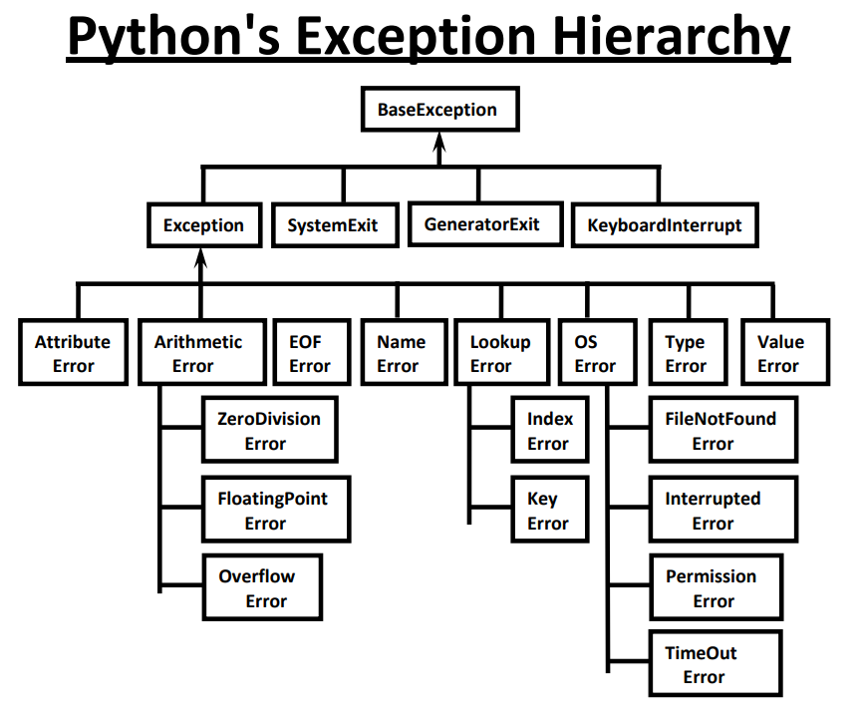
Exception Name | Description
Exception | All exceptions inherit this class as the base class for all exceptions.
StopIteration | Raised when the next() method of an iterator while iteration does not point to any object
StandardError | All exceptions inherit this class except stop StopIteration and SystemExit
ArithmeticError | Errors that occur during numeric calculation are inherited by it.
OverflowError | When a calculation exceeds the max limit for a specific numeric data type
ZeroDivisionError | Raised when division or modulo by zero takes place.
AssertionError | Raised when an assert statement fails
AttributeError | Raised in case of failure of attribute assignment
EOFError | Raised when the end of file is reached, usually occurs when there is no input from input() function
ImportError | Raised when an import statement fails
NameError | Raised when an identifier is not found in the local or non-local or global scope.
SyntaxError | Raised when there is an error in python syntax.
IndentationError | Raised when indentation is not proper
TypeError | Raised when a specific operation of a function is triggered for an invalid data type
ValueError | Raised when invalid values are provided to the arguments of some builtIn function for a data type that has a valid type of arguments.
RuntimeError | Raised when an error does not fall into any other category
NotImplementedError | Raised when an abstract method that needs to be implemented in an inherited class is not actually implemented.

OOPS2
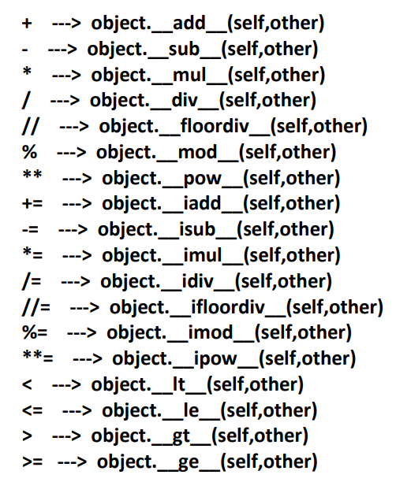
Related to polymorphism the following 4 topics are important | #Polymorphism

1. Duck Typing Philosophy of Python | Same method but different arguments

2. Overloading

a. Operator Overloading | a. Operator Overloading
 | #Operator OverLoading
b. Method Overloading XXX | # Same operator multiple purpose is called operator overloading
 | print(10+20)
c. Constructor Overloading XXX | print("Vikram_"+"Reddy")

3. Overriding

a. Method overriding

b. constructor overridin

